Info modelling
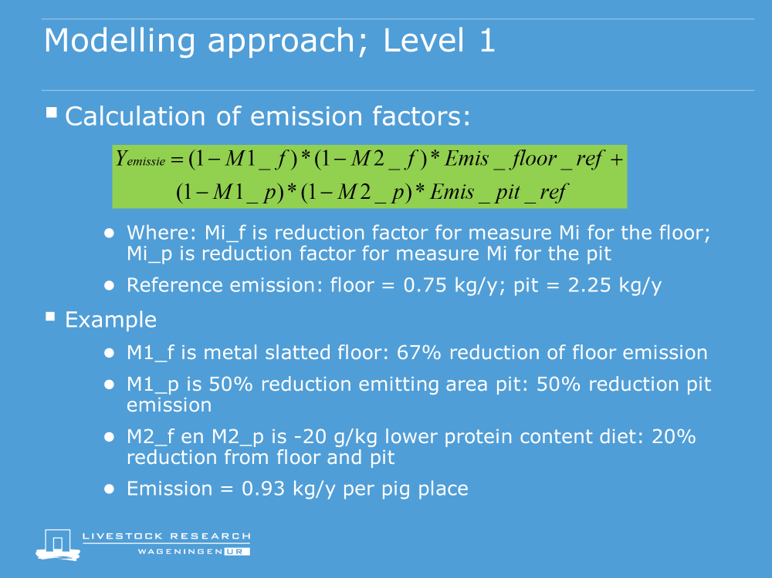
Modelling approach

Info housing
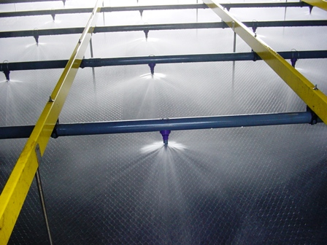
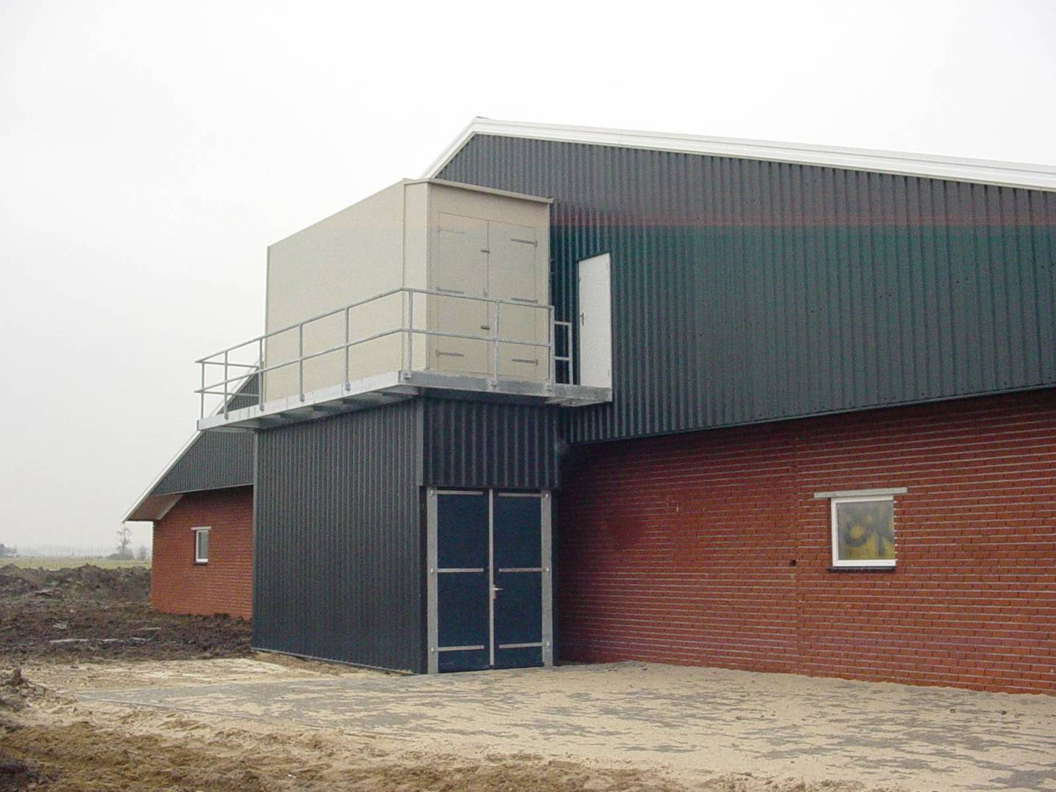
Reference house for fatteners
Reference house for weaned piglets
Reference house pregnant sows
Reference house farrowing sows

Solid floor
1.46 m
Drinker
Concrete slatted floor
1.81 m
5.75 m
Feeder
calc
calc
calc
calc
2.20 m
Plastic slatted floor
Feeder
Feeder

Concrete slatted floor
Plastic slatted floor

Slurry
Slurry

Partial slatted floor, regular housing : 3.0 kg/y
Fully slatted floor, regular housing : 0.69 kg/y

Partially slatted floor, regular housing : 4.2 kg/y
Fully slatted floor, regular housing : 8.3 kg/y

Ammonia reduction methods: < emitting area

Feeder

Concrete slatted floor

Water
Slurry

Partial slatted floor with reduced emitting area: 1.5 kg/y (-40%)

Different types of slatted floors


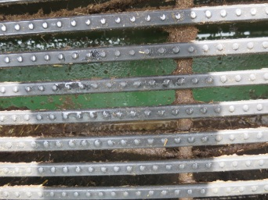

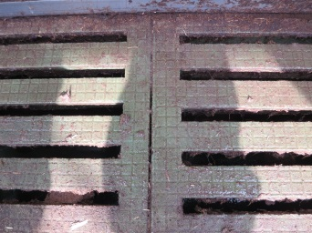

Concrete slatted floor | Metal triangular slatted floor | Composite slatted floor (8 cm) | Composite slatted floor (4 cm)

Manure cooling

Diving cooling elements
Concrete slatted floor
Water
Feeder

Dilution with ammonia free solution

Water + slurry
Metal slatted floor
Feeder

Acidification

Slatted floor
Discharge system
Supply and drain from animal house
Input tank
Settling tank
Dose unit for acidification
To closed manure storage

Manure belt system

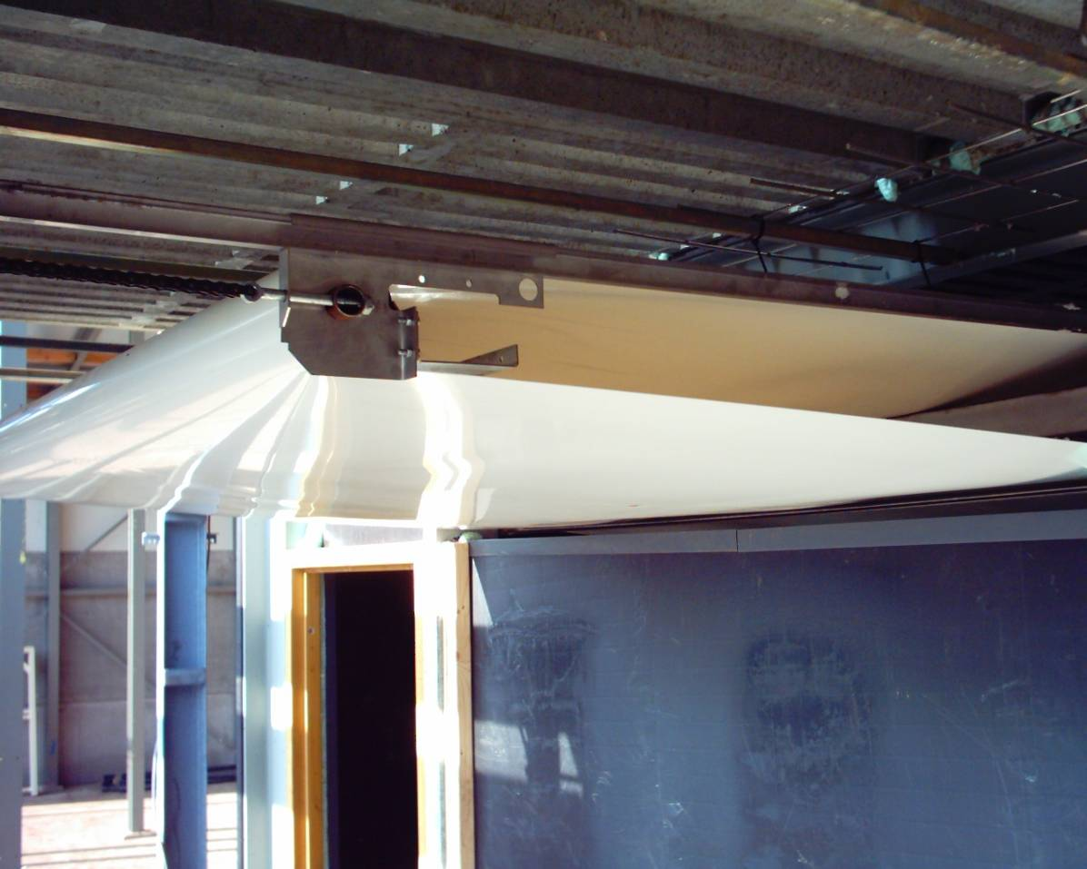
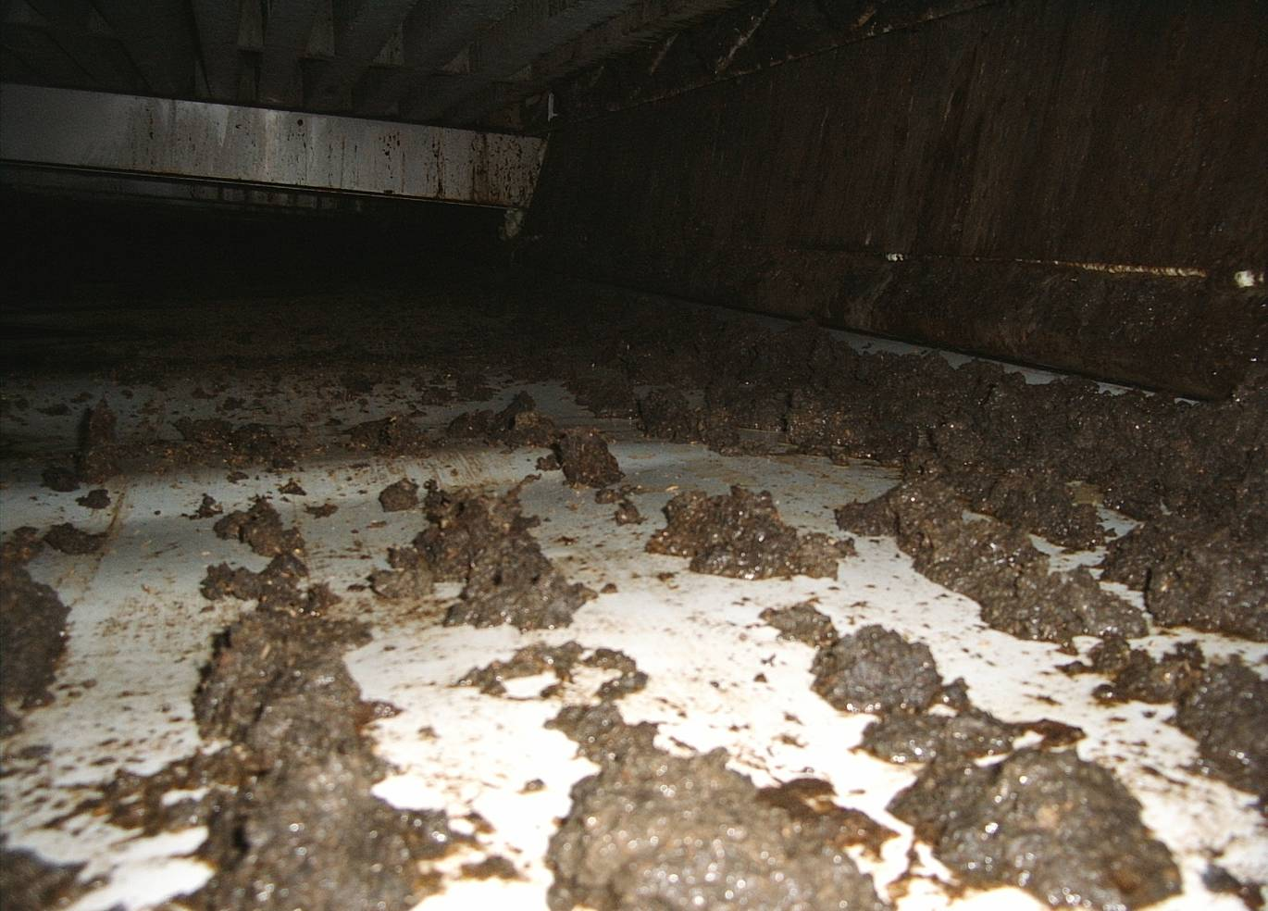

Air scrubbing

Air scrubbing
Dust
NH₃
Odour
Polluted air
Clean air

